Notes
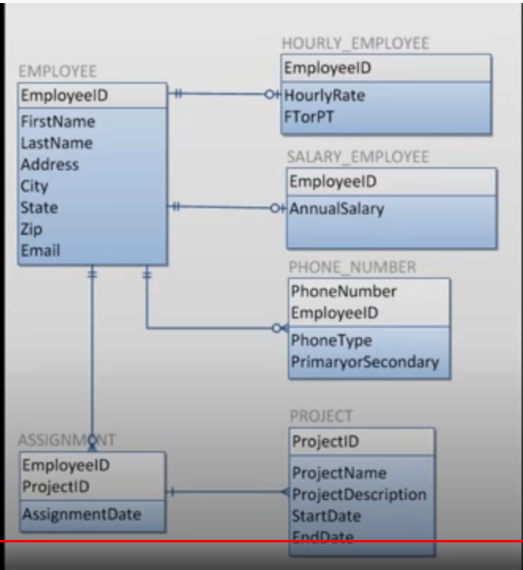
SQL Challenge |  | Primary Keys set for each table
Screen Shots of Files |  | Tables are correctly related using Foreign Keys
 |  | Columns set to the correct data types
Data files:

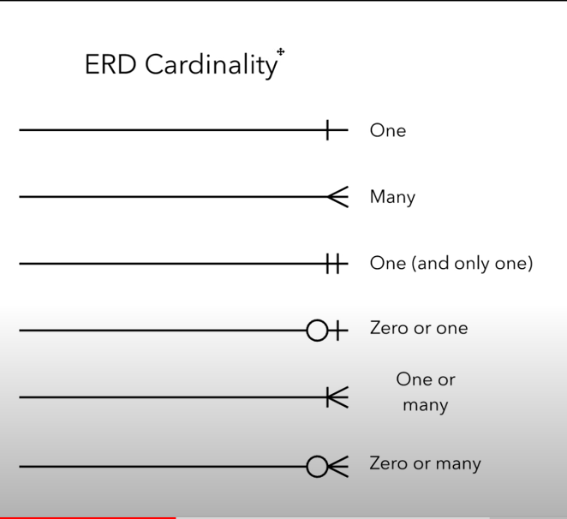

departments.csv |  |  |  | dept_emp.csv | dept_manager.csv
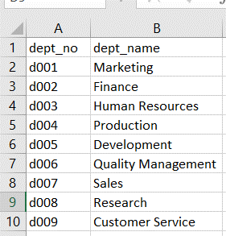
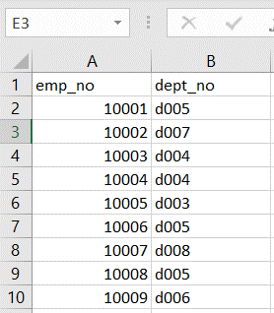
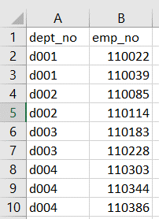

employees.csv |  |  |  |  |  | salaries.csv | titles.csv
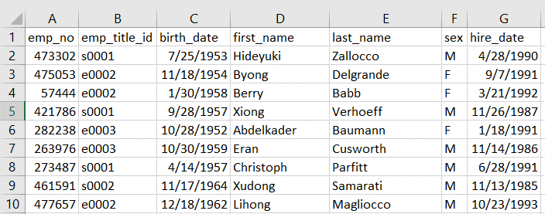
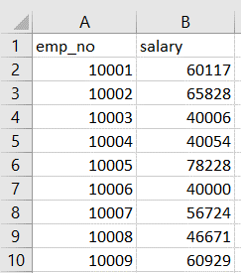
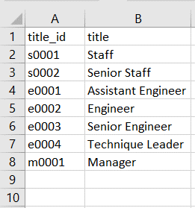

Note: emp_title_id is the same as title_id in titles.csv file

What is an ER diagram (ERD)? |  |  |  |  |  | Cardinality
Entity Relationship Diagram, also known as ERD, ER Diagram or ER model, is a type of structural diagram |  |  |  |  |  | Cardinality defines the possible number of occurrences in one entity which is associated with the number
for use in database design. An ERD contains different symbols and connectors that visualize two important |  |  |  |  |  | of occurrences in another. For example, ONE team has MANY players. When present in an ERD,
information: The major entities within the system scope, and the inter-relationships among these entities. |  |  |  |  |  | the entity Team and Player are inter-connected with a one-to-many relationship.

 |  | Employee Entity |  |  |  | In an ER diagram, cardinality is represented as a crow's foot at the connector's ends.
 | primary key | emp_no | INT |  |  | The three common cardinal relationships are one-to-one, one-to-many, and many-to-many.
 |  | first_name | VARCHAR(30)
 |  | last_name | VARCHAR(30)
 |  | birth_data | DATE
 |  | sex | CHAR(1)
 |  | hire_data | DATE

cardinality
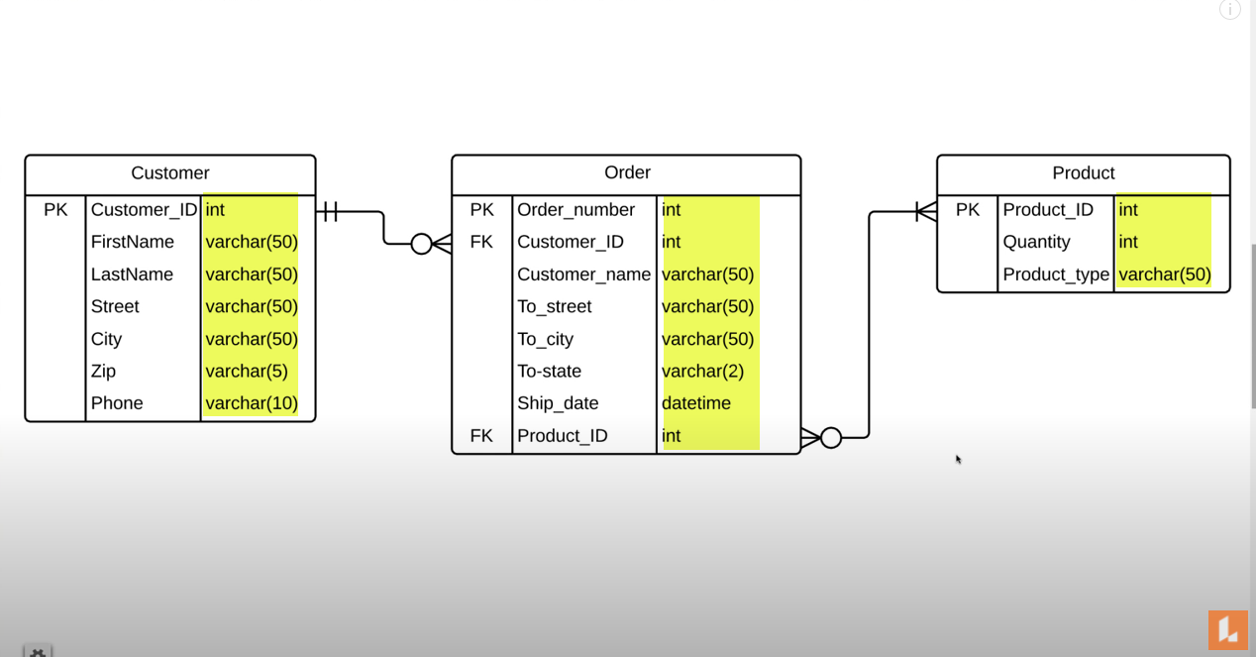
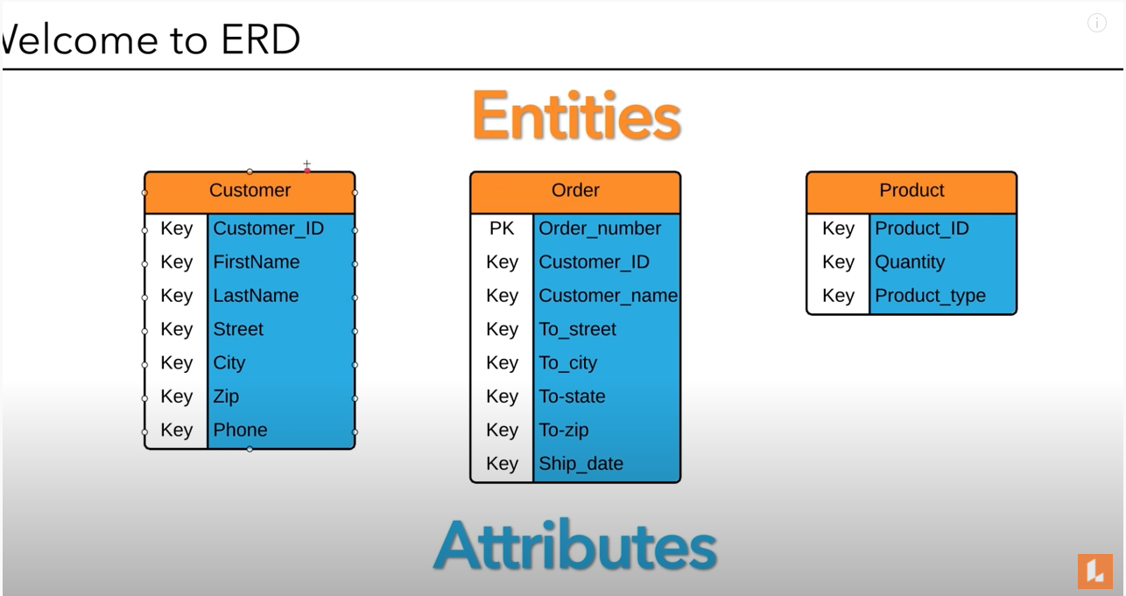
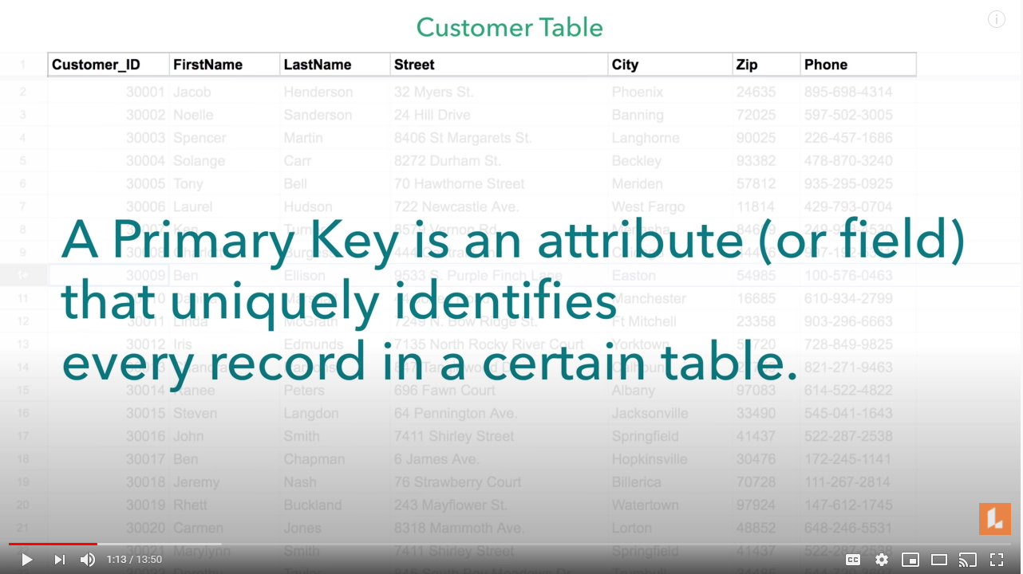

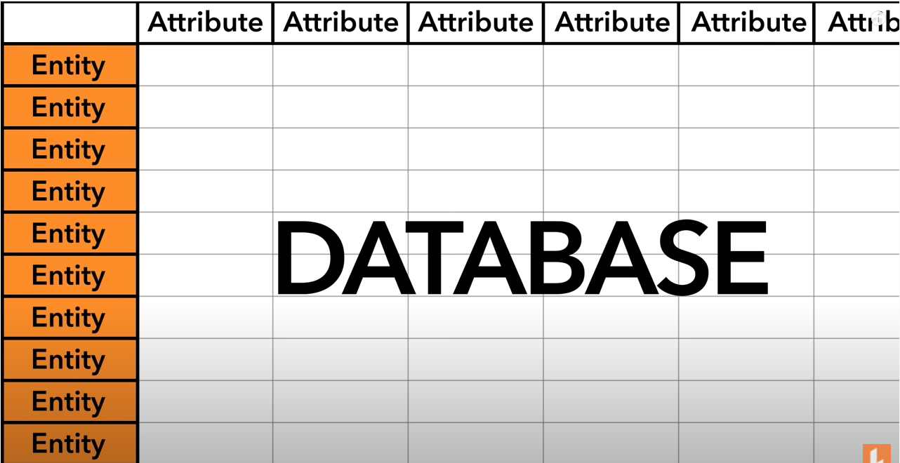
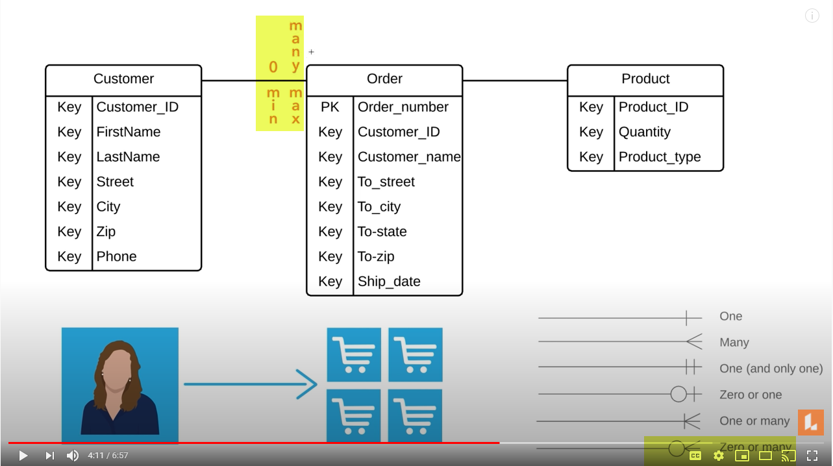
 |  | Relationship
 |  |  | diagram shows Customer can have many orders
 |  |  | a customer can have an infinity of orders
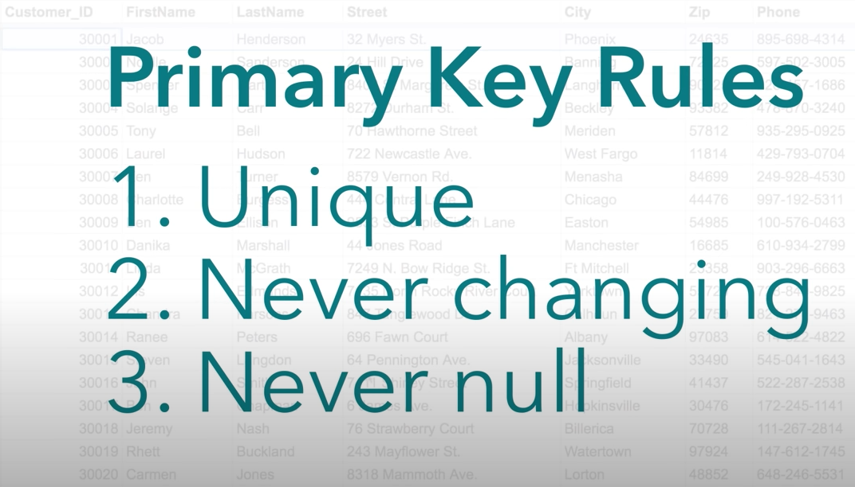
 |  |  | can also have 0 orders

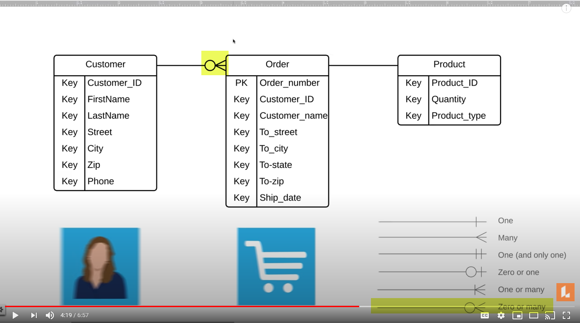
 |  |  | diagram shows Customer can have many orders
ENTITY: NOUN - represents a person, place, or thing that you want to track in a database |  |  | a customer can have an infinity of orders
 | Each occurrence of the entity is an "entity instance" |  | can also have 0 orders
 | This will be each record or "row" in a table
ATTRIBUTES: The columns, describes various characteristics about an individual entity
PRIMARY KEY: An attribute or group of attributes that uniquely identifies an instance of the entity
RELATIONSHIP: describes how one or more entities interact with each other (VERB)
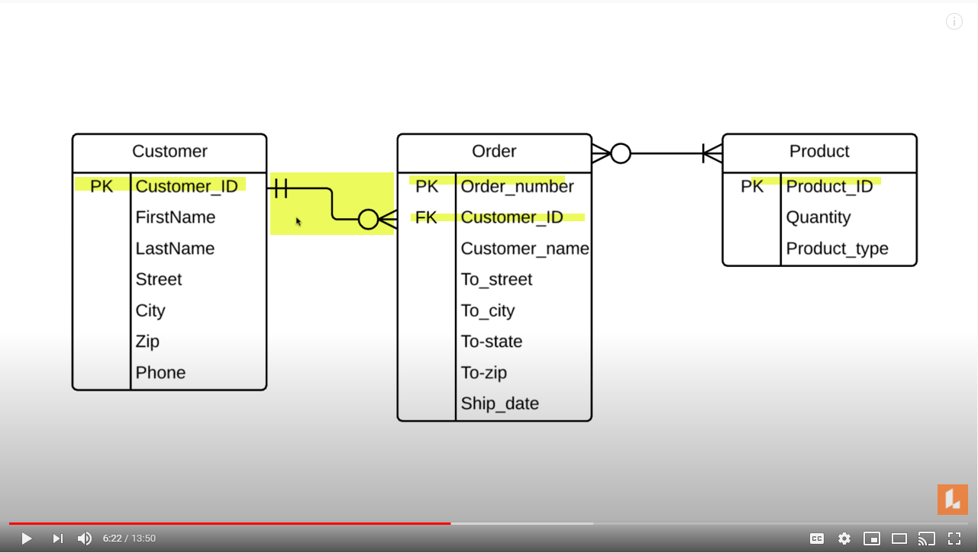
CARDINALITY: The count of instances that are allowed or are necessary between entity relationships.
 | Minimum / Maximum cardinality

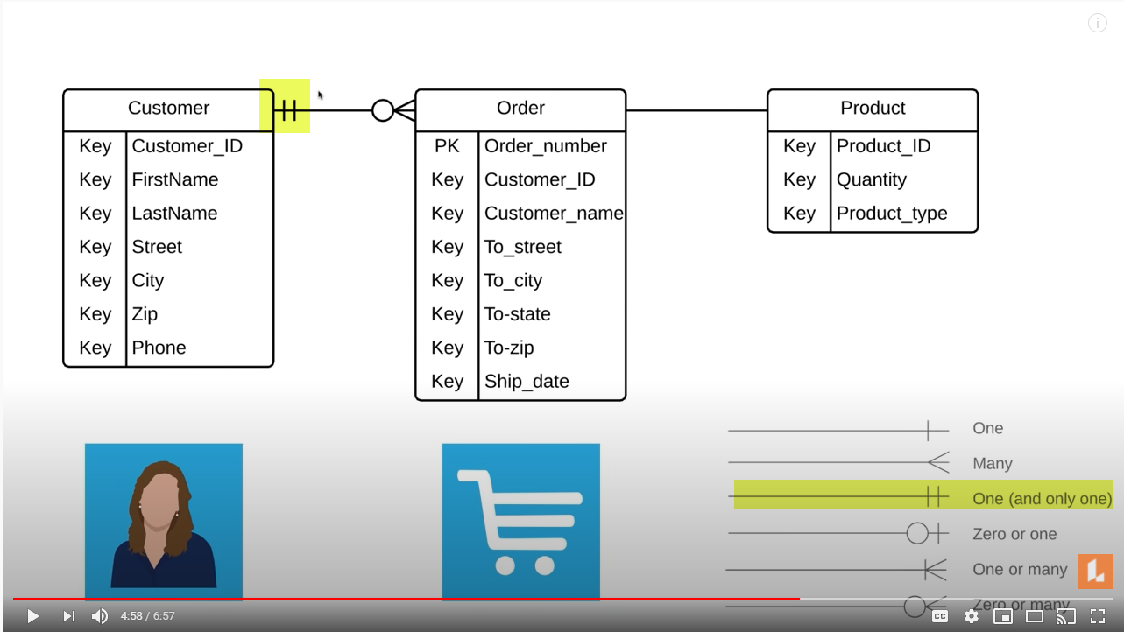

 |  |  | diagram shows 1 order per customer
 |  |  | what is the minimum amount of orders
 |  |  | a customer can have?
 |  |  | a specific order can have only 1 customer

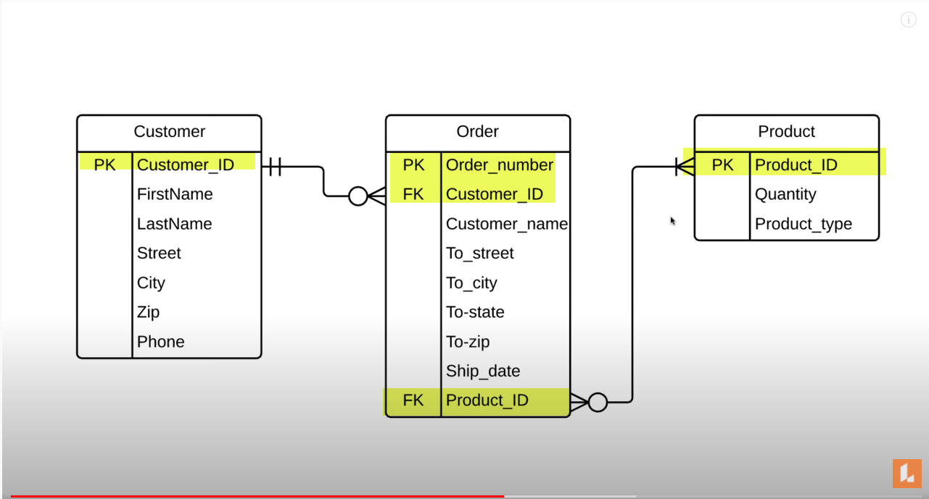

 |  | Relationship between Customer --> Order --> Product
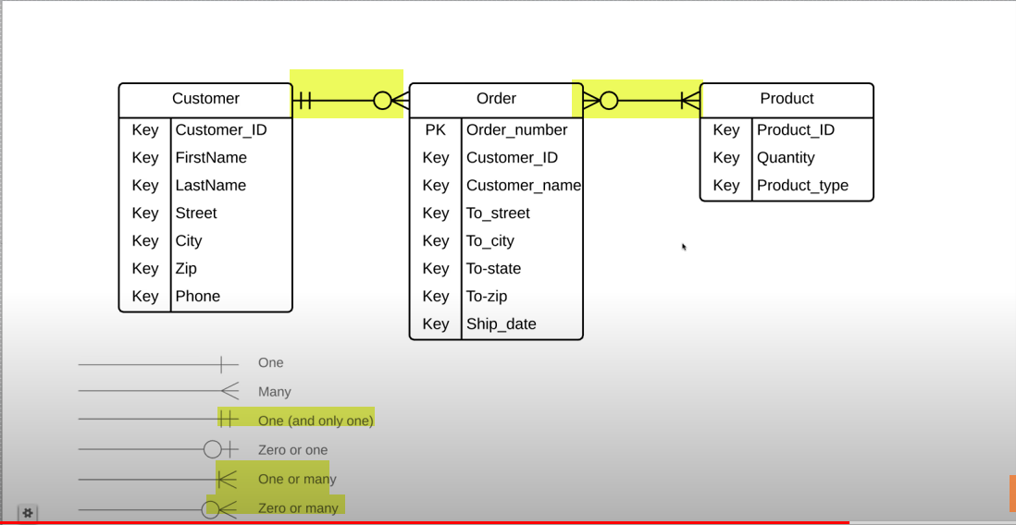

 |  |  |  | composite | Composite Key -- > PK, FK
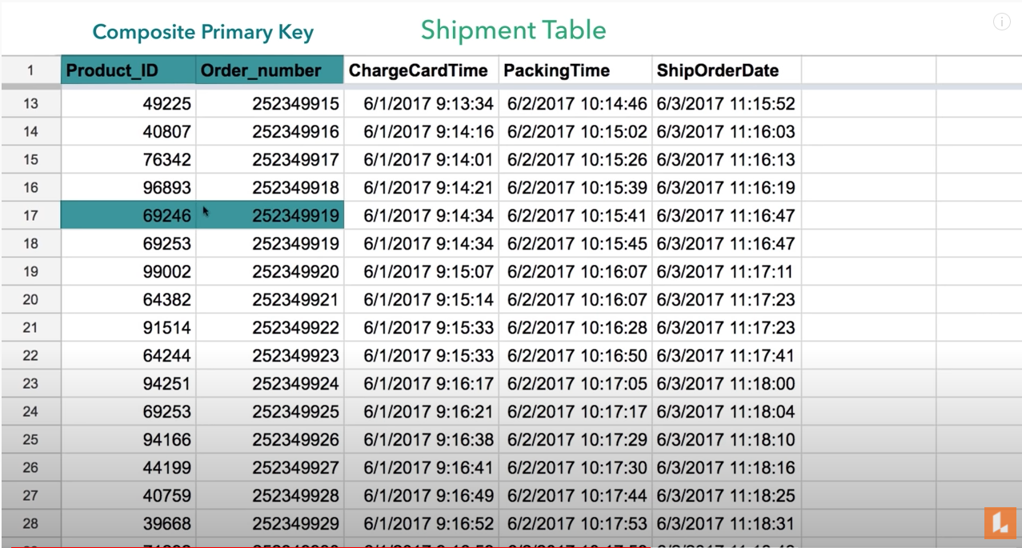
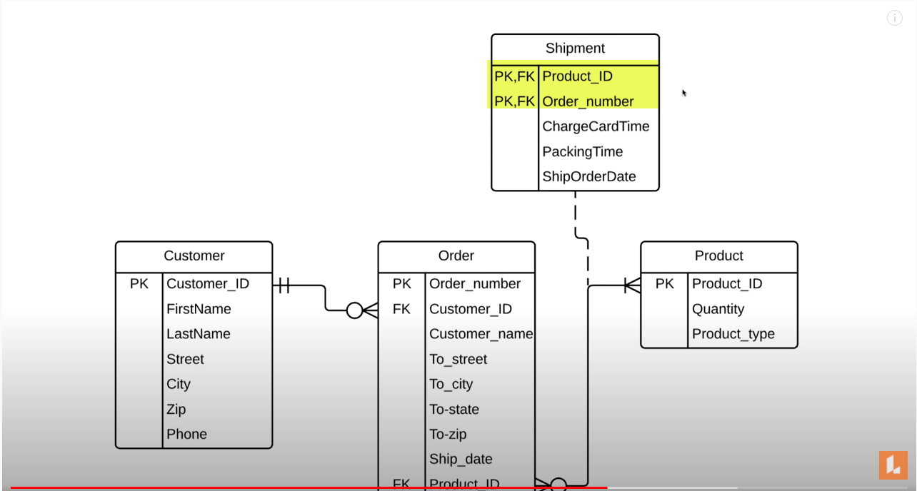

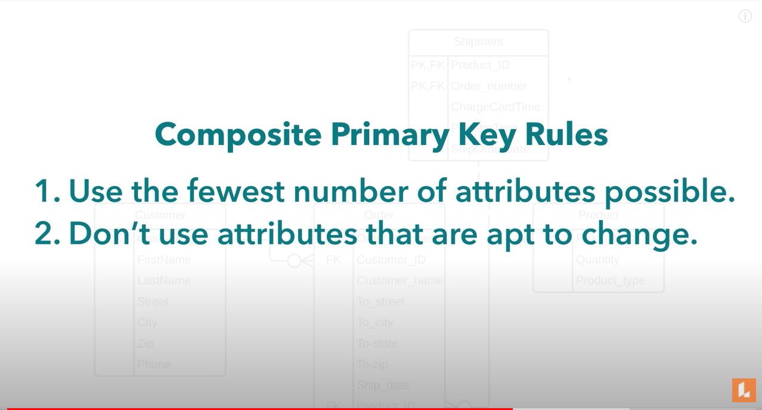

 |  |  |  | Add Data Types

